Tank
Test Well
Depth | 20.0
Width | 8.45
Height | 12.0

Area | 169.0
in3/gal | 231.0

PUMP | GP-201-12L | 1GPM @12V | min 14awg
 |  |  | Δ in/min | Flow/gpm |  |  | Δ in/min | Flow/gpm |  |  | Δ in/min | Flow/gpm |  |  | Δ in/min | Flow/gpm
Speed % @24Vdc | Amps | Level Fill | Empty Fill | Empty Fill | Amps | Level Fill | Full Fill | Full Fill | Amps | Level Drain | Empty Drian | Empty Drian | Amps | Level Drain | Full Drain | Full Drain
100 | 2.75 | 8.5 | 3.041 | 2.225 | 2.75 | 4.3 | 3.004 | 2.198 | 2.71 | 6.5 | 3.018 | 2.208 | 2.72 | 2.75 | 3.035 | 2.220
75 | 1.82 | 8.5 | 2.316 | 1.694 | 1.77 | 4.1 | 2.262 | 1.655 | 1.72 | 7 | 2.325 | 1.701 | 1.71 | 2.75 | 2.327 | 1.702
50 | 1.03 | 8.5 | 1.559 | 1.141 | 1.01 | 3.9 | 1.533 | 1.122 | 1.01 | 8 | 1.508 | 1.103 | 0.97 | 2.75 | 1.559 | 1.141
25 | 0.48 | 8.5 | 0.788 | 0.577 | 0.49 | 3.2 | 0.773 | 0.566 | 0.47 | 8.2 | 0.803 | 0.587 | 0.47 | 2.75 | 0.796 | 0.582
15 | 0.29 | 8.5 | 0.414 | 0.303 | 0.29 | 2.9 | 0.418 | 0.306 | 0.29 | 8.3 | 0.439 | 0.321 | 0.28 | 2.75 | 0.445 | 0.326
5 | 0.42 | 8.5 | 0.097 | 0.071 | 0.42 | 2.8 | 0.083 | 0.061 | 0.42 | 8.4 | 0.115 | 0.084 | 0.42 | 2.75 | 0.117 | 0.086
4 | 0.35 | 8.5 | 0.003 | 0.002 | 0.35 | 2.78 | 0.001 | 0.001 | 0.35 | 8.5 | 0.001 | 0.001 | 0.34 | 2.75 | 0.059 | 0.043
2025-03-04 | Vs= 24.5VDC | Iq = 0.0117A | Eng Fluke 1460069
PROCEDURE:
Using test program $TEST_TankControl18V7_Q01.vi,
1. set the Timer Time to 30 seconds
2. Set the level near EMPTY, Reset the timer.
3. Set the direction to FILL and the Speed to the test level.
4. Push the Start button.
5. Record the nominal current reading, then the Rate when timer expires.
6. Rest the timer, set the direction to DRAIN and Speed.
7. Push the Start button,repeat step 5.
Once the observations at EMPTY are finished, repeat with the starting at the
the FULL level and performing the DRAIN then the FILL evaluations.
Set the Tank to full and the Timer Time to 900 seconds
1. Record the raw Laser value at T0 then press the START Button.
2. When the timer expires, record the raw laser value at T1
Test Prog | $TEST_TankControl18V7_Q01.vi
Laser Calibration
Laser Slope | -0.993
Tank Level vx Pump Speed (Zoomed in)
Tank Level vx Pump Speed (Zoomed in)
Laser_Offset | 9.603

Backflow gpH | 0.064
Time | 900 seconds | Calibrated
T0 Raw | 6.8678 | 2.7832746
T1 Raw | 6.8459 | 2.8050213
 | D | 0.0217467
 | Rate In/min | 0.0014

Tank Level vx Pump Speed
Tank Level vx Pump Speed

Iref & Ain
LT3092
Iref | 0.0000100 | 2025-03-13 | U1-A | U1-B
Iout | 0.014 | Vset | 0.2217 | 0.2229
pick Rset Actual for desired Iref in mA
Rout | 15 | Rset | 22170 | 22290
Rset calc | 21,000.00 | Rout | 15.09 | 15.41
Rset Actual | 22,000 | Iout | 0.014701848907 | 0.014474633355
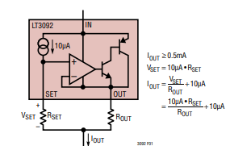
Iref ma | 14.67 | I actual | 0.01424 | 0.01398

VDC | 24
Rmax | 1,636 | I spec | 14.7 | 14.553 | 14.847
Rmax set | 1,400
Vin max | 20.53 |  |  | -7444
Vin max | 10.00
ratio | 0.487

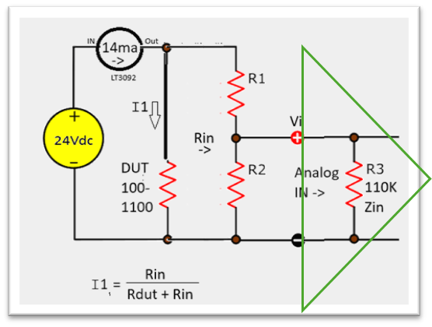
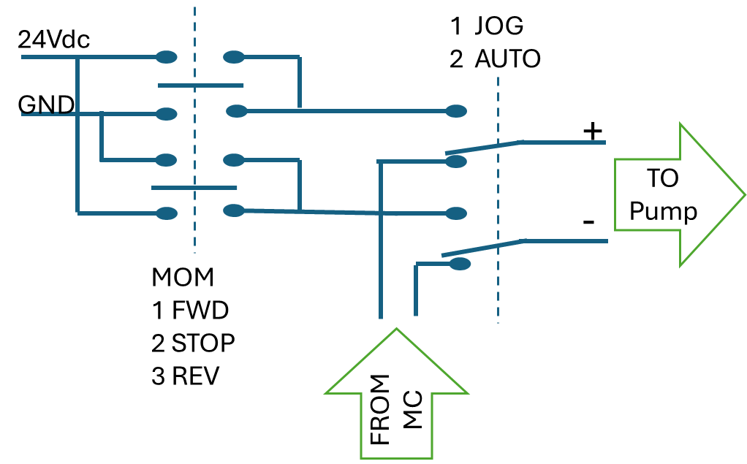
R2 (u pick) | 1,000,000
R3 (Zin) | 110,000
R2 || R3 (R2p) | 99,099
R1 | 104,384
Rin | 214,384
R1 Actual | 104,700

Rdut Max | 1100
Rdut Min | 100
Idut hi | 14.59
Idut lo | 14.66
diff | -0.5%

